Convergence chart
0 | 0 | 0 | 0 | 0 | 0 | 0 | 0 | 0 | 0 | 0 | 0 | 0
1 | 0 | 0 | 0.15 | -0.3 | 0 | 0.6 | 0.45 | 0 | 0 | 0 | 0 | 0
2 | 0 | 0.045 | 0.1725 | -0.255 | 0.0675 | 0.66 | 0.585 | 0 | 0 | 0 | 0 | 0
3 | 0.0135 | 0.03825 | 0.222 | -0.244875 | 0.073125 | 0.699375 | 0.59625 | 0 | 0 | 0 | 0 | 0
4 | 0.011475 | 0.03673125 | 0.22183125 | -0.23086875 | 0.06755625 | 0.67209375 | 0.5932125 | 0 | 0 | 0 | 0 | 0
5 | 0.011019375 | 0.0346303125 | 0.2227171875 | -0.2308434375 | 0.064096875 | 0.6714440625 | 0.58507875 | 0 | 0 | 0 | 0 | 0
6 | 0.01038909375 | 0.034626515625 | 0.22045045313 | -0.230757375 | 0.06400321875 | 0.668269875 | 0.5846180625 | 0 | 0 | 0 | 0 | 0
7 | 0.010387954687 | 0.03461360625 | 0.22039236094 | -0.23151902812 | 0.064056185156 | 0.66956612812 | 0.58434582656 | 0 | 0 | 0 | 0 | 0
8 | 0.010384081875 | 0.034727854219 | 0.22023082289 | -0.23154844441 | 0.064259678672 | 0.66952201793 | 0.58475213016 | 0 | 0 | 0 | 0 | 0
9 | 0.010418356266 | 0.034732266662 | 0.22034447997 | -0.23159373639 | 0.064278454693 | 0.66975713846 | 0.58478735851 | 0 | 0 | 0 | 0 | 0
10 | 0.010419679999 | 0.034739060458 | 0.22034517665 | -0.23155599077 | 0.064286391894 | 0.66969655764 | 0.58482379755 | 0 | 0 | 0 | 0 | 0
11 | 0.010421718137 | 0.034733398616 | 0.22035970125 | -0.23155473565 | 0.064276803149 | 0.66970766972 | 0.5848054143 | 0 | 0 | 0 | 0 | 0
12 | 0.010420019585 | 0.034733210348 | 0.2203543011 | -0.23155033279 | 0.064275679831 | 0.66969243507 | 0.58480439054 | 0 | 0 | 0 | 0 | 0
13 | 0.010419963104 | 0.034732549919 | 0.22035471384 | -0.2315520956 | 0.064274714219 | 0.66969550879 | 0.58480144019 | 0 | 0 | 0 | 0 | 0
14 | 0.010419764976 | 0.03473281434 | 0.22035367665 | -0.23155203354 | 0.064275130312 | 0.66969430072 | 0.58480223849 | 0 | 0 | 0 | 0 | 0
15 | 0.010419844302 | 0.034732805031 | 0.22035393791 | -0.2315523575 | 0.064275164118 | 0.66969522028 | 0.58480218722 | 0 | 0 | 0 | 0 | 0
16 | 0.010419841509 | 0.034732853626 | 0.22035387697 | -0.23155227509 | 0.064275239065 | 0.66969503968 | 0.58480238471 | 0 | 0 | 0 | 0 | 0
17 | 0.010419856088 | 0.034732841263 | 0.22035394326 | -0.23155229045 | 0.064275221953 | 0.66969514203 | 0.58480234881 | 0 | 0 | 0 | 0 | 0
18 | 0.010419852379 | 0.034732843568 | 0.22035392939 | -0.23155226952 | 0.06427522299 | 0.66969508826 | 0.58480235963 | 0 | 0 | 0 | 0 | 0
19 | 0.01041985307 | 0.034732840429 | 0.2203539353 | -0.23155227371 | 0.064275218118 | 0.66969510046 | 0.58480234766 | 0 | 0 | 0 | 0 | 0
20 | 0.010419852129 | 0.034732841056 | 0.22035393131 | -0.23155227204 | 0.064275218852 | 0.66969509283 | 0.58480234955 | 0 | 0 | 0 | 0 | 0
21 | 0.010419852317 | 0.034732840806 | 0.22035393215 | -0.2315522733 | 0.06427521859 | 0.66969509597 | 0.58480234846 | 0 | 0 | 0 | 0 | 0
22 | 0.010419852242 | 0.034732840995 | 0.22035393168 | -0.23155227305 | 0.064275218878 | 0.66969509509 | 0.58480234915 | 0 | 0 | 0 | 0 | 0
23 | 0.010419852298 | 0.034732840958 | 0.22035393191 | -0.23155227319 | 0.06427521884 | 0.66969509562 | 0.58480234902 | 0 | 0 | 0 | 0 | 0
24 | 0.010419852287 | 0.034732840979 | 0.22035393185 | -0.23155227312 | 0.064275218866 | 0.66969509543 | 0.58480234911 | 0 | 0 | 0 | 0 | 0
25 | 0.010419852294 | 0.034732840968 | 0.22035393189 | -0.23155227314 | 0.06427521885 | 0.66969509549 | 0.58480234907 | 0 | 0 | 0 | 0 | 0
26 | 0.01041985229 | 0.034732840971 | 0.22035393187 | -0.23155227313 | 0.064275218853 | 0.66969509546 | 0.58480234908 | 0 | 0 | 0 | 0 | 0
27 | 0.010419852291 | 0.034732840969 | 0.22035393188 | -0.23155227313 | 0.06427521885 | 0.66969509547 | 0.58480234908 | 0 | 0 | 0 | 0 | 0
28 | 0.010419852291 | 0.03473284097 | 0.22035393188 | -0.23155227313 | 0.064275218851 | 0.66969509547 | 0.58480234908 | 0 | 0 | 0 | 0 | 0
29 | 0.010419852291 | 0.034732840969 | 0.22035393188 | -0.23155227313 | 0.064275218851 | 0.66969509547 | 0.58480234908 | 0 | 0 | 0 | 0 | 0
30 | 0.010419852291 | 0.03473284097 | 0.22035393188 | -0.23155227313 | 0.064275218851 | 0.66969509547 | 0.58480234908 | 0 | 0 | 0 | 0 | 0

Steady State Chart
Resource Nationalism | 0.00
Market Commodity Prices | 1.00
Industrialisation and Urbanisation | 1.00
Global Economic Recovery | 1.00
Africa Attractiveness | 1.00
Regulatory Environment Uncertainty | 0.00
Government Demands | 0.00
Labour Unrest | -0.05
Pressure on Margins | -0.18
Export Revenue | 0.24
Foreign Direct Investment | 1.08
GDP Growth | 0.87

Boxplot
Regulatory
Environment Uncertainty
Government
Demands
Labour
Unrest
Pressure on
Margins
Export Revenue
Foreign Direct Investment
GDP Growth

Sensitivities
 | Sensitivities
1 | Resource Nationalism
2 | Global Economic Recovery
3 | Industrialisation and Urbanisation
4 | Market Commodity Prices
5 | Africa Attractiveness

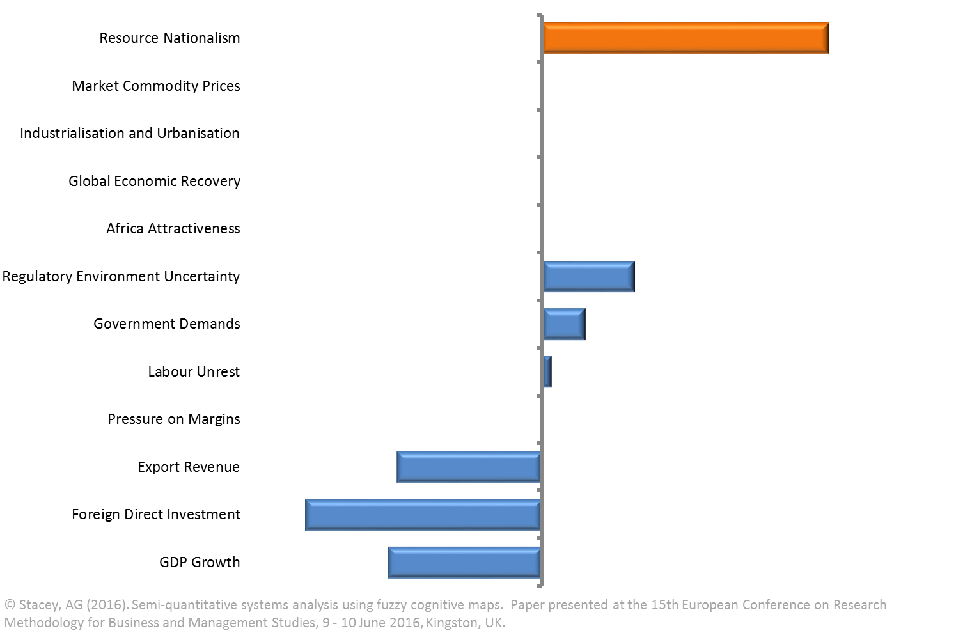
Resource Nationalism
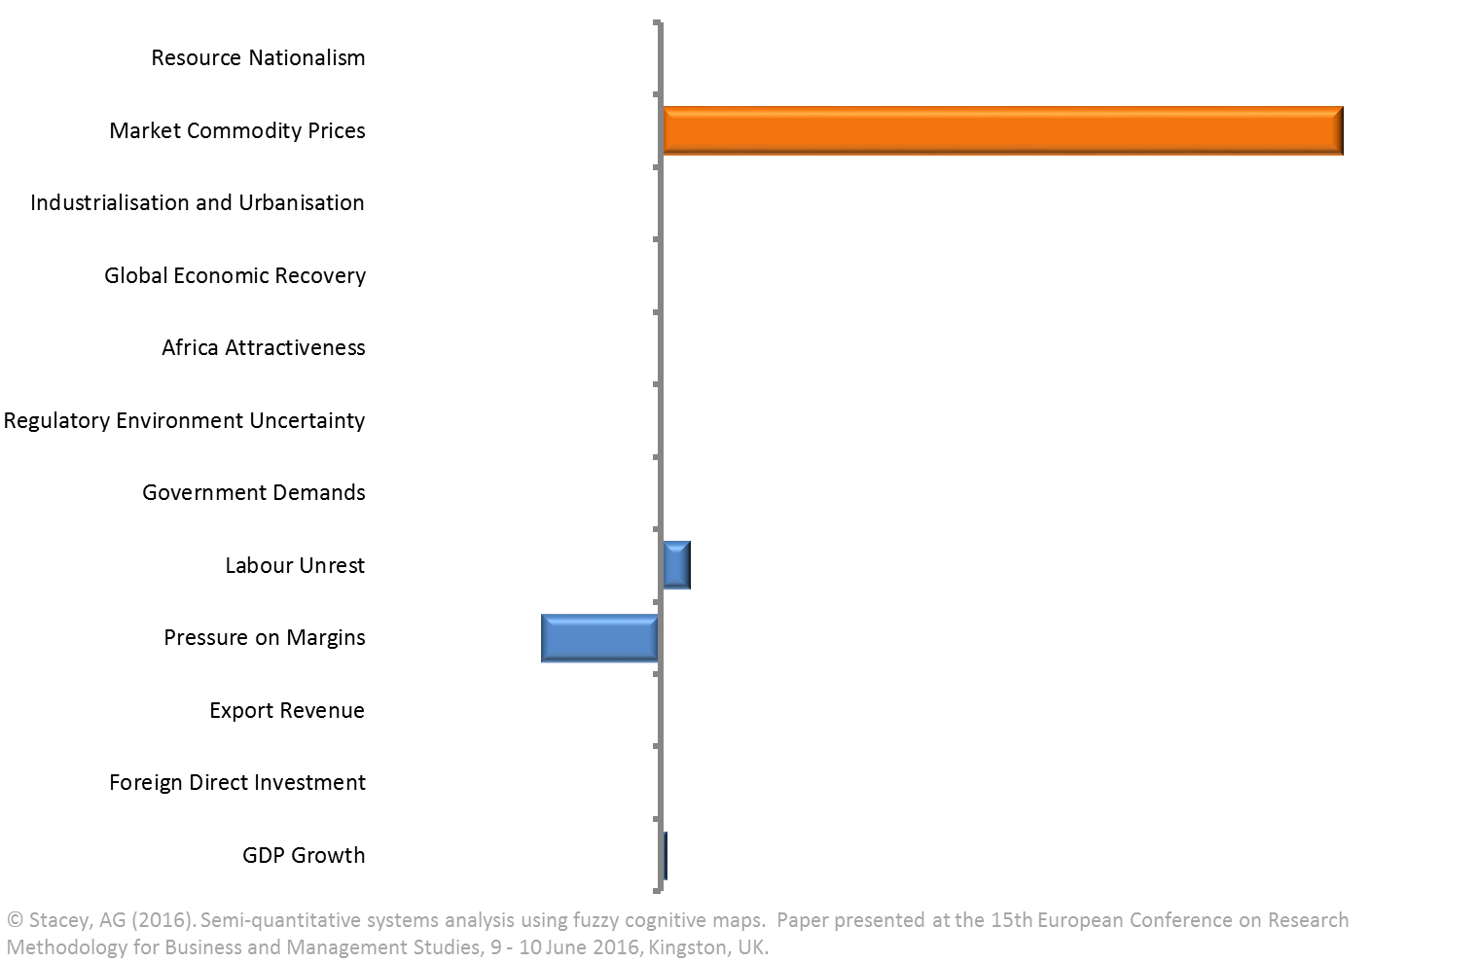
Market Commodity Prices

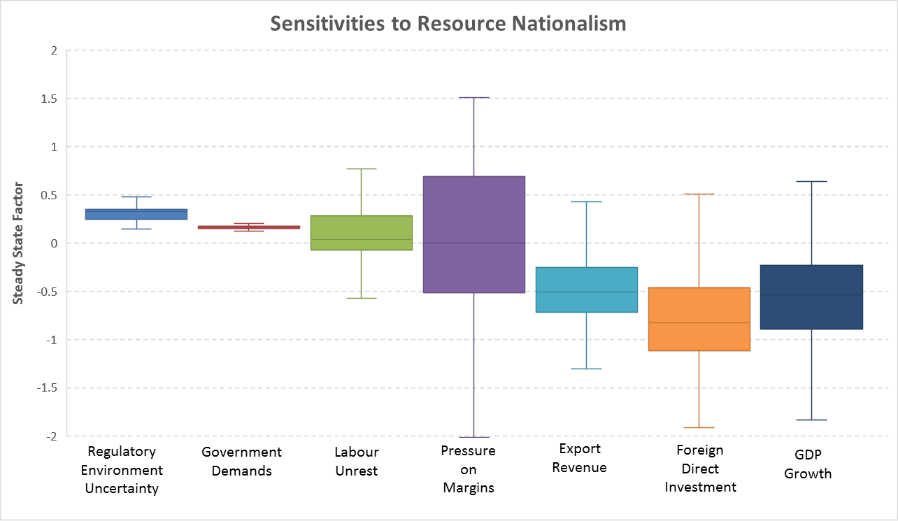
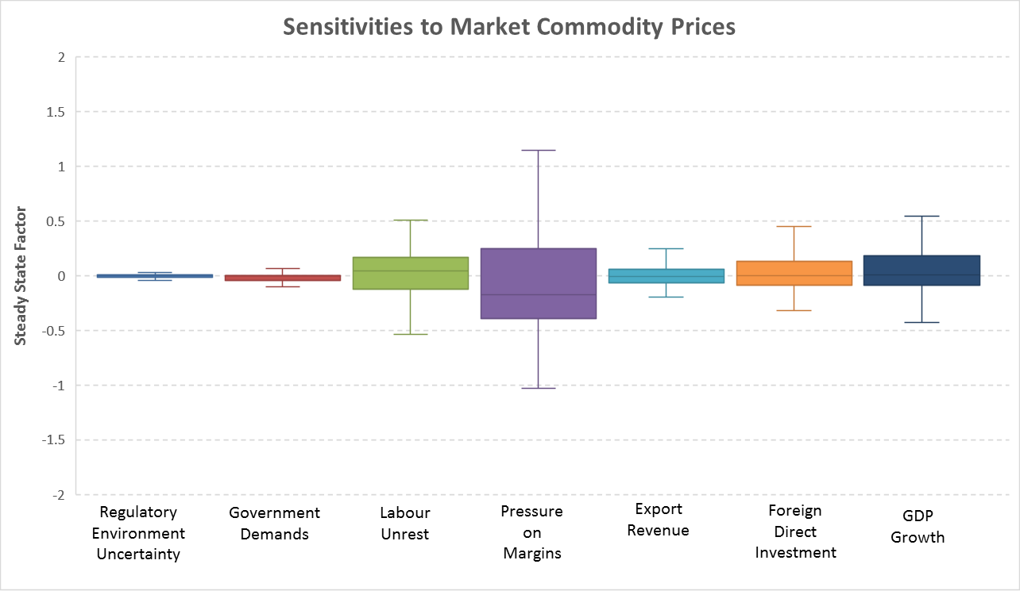

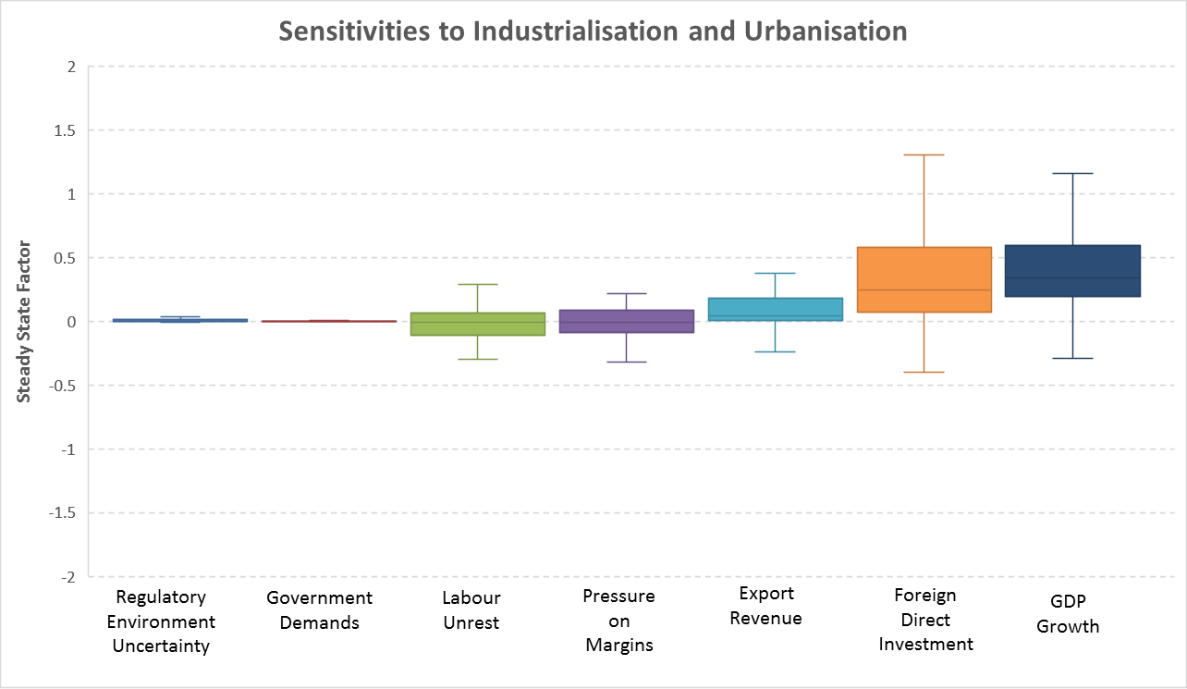
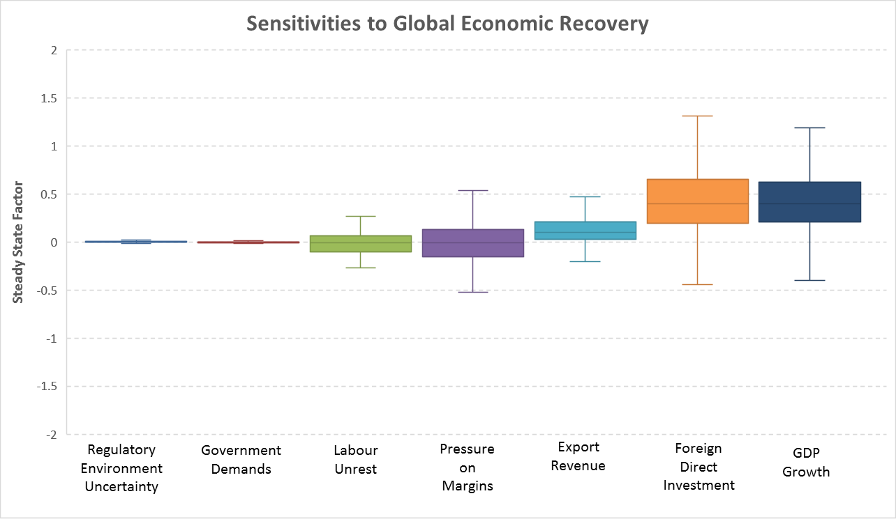

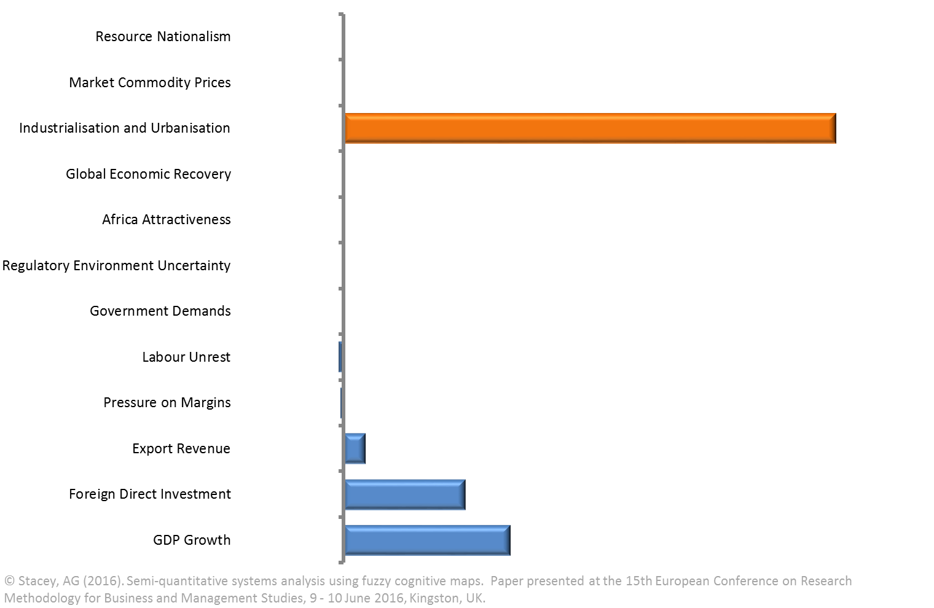
Industrialisation and Urbanisation
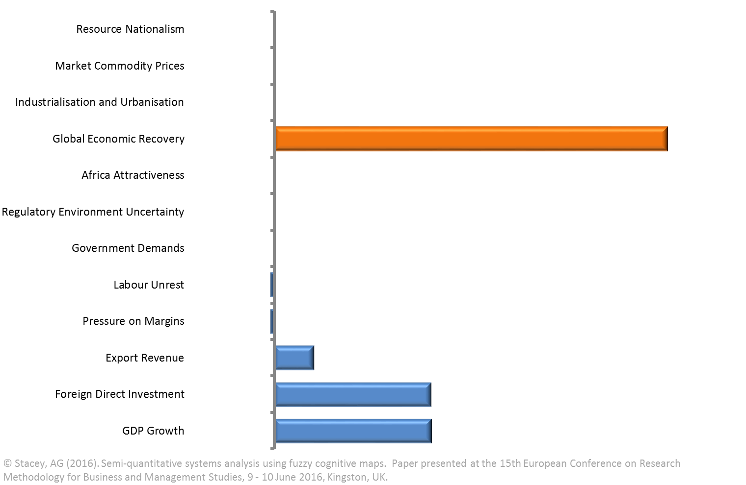
Global Economic Recovery

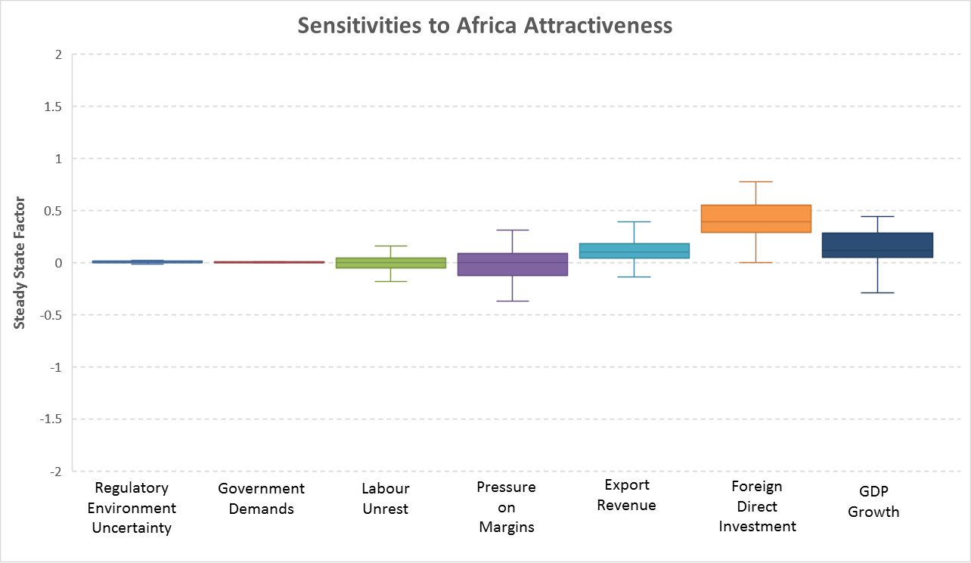

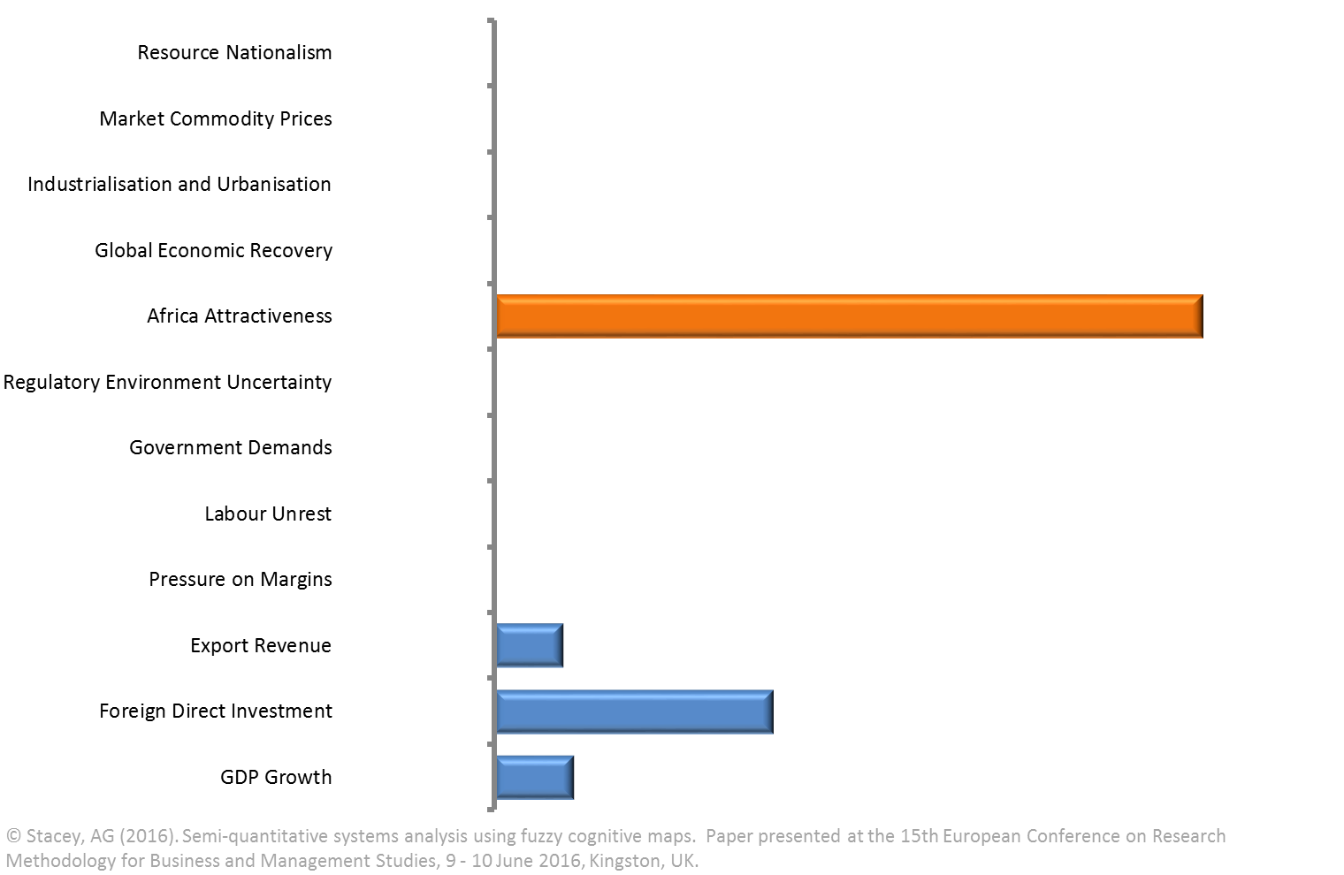
Africa Attractiveness

Scenarios
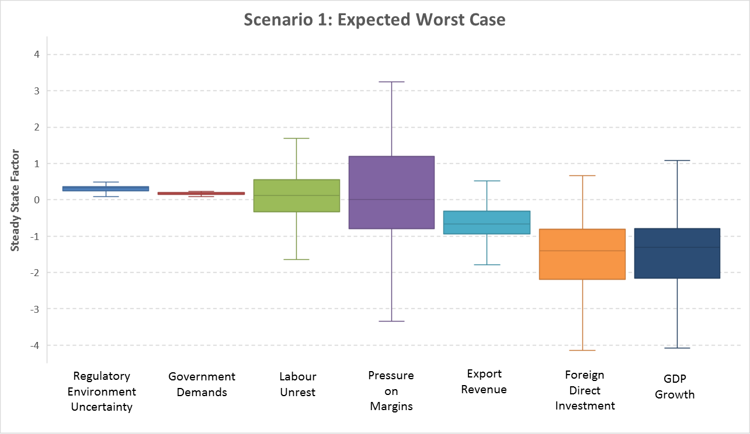
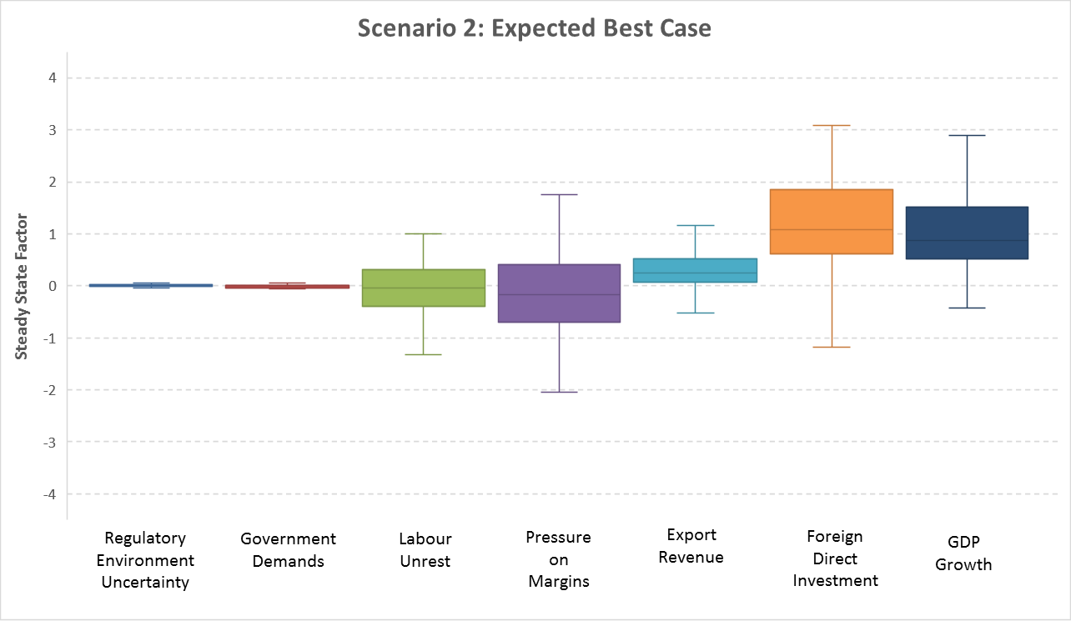
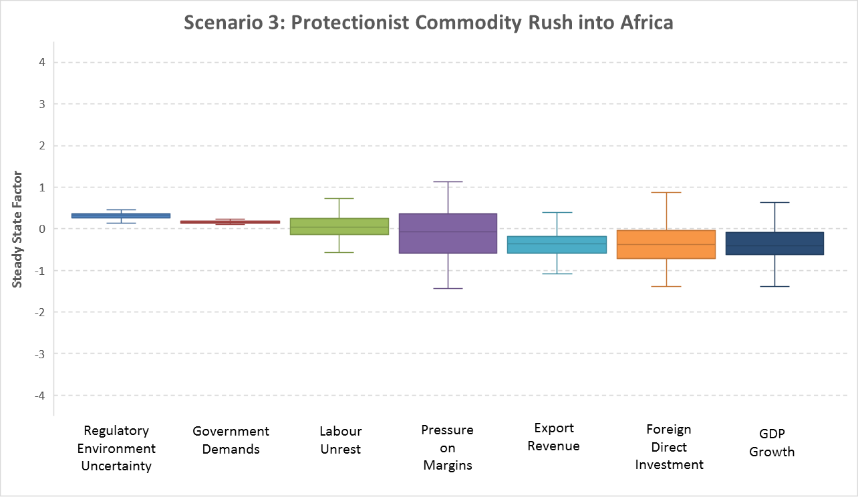
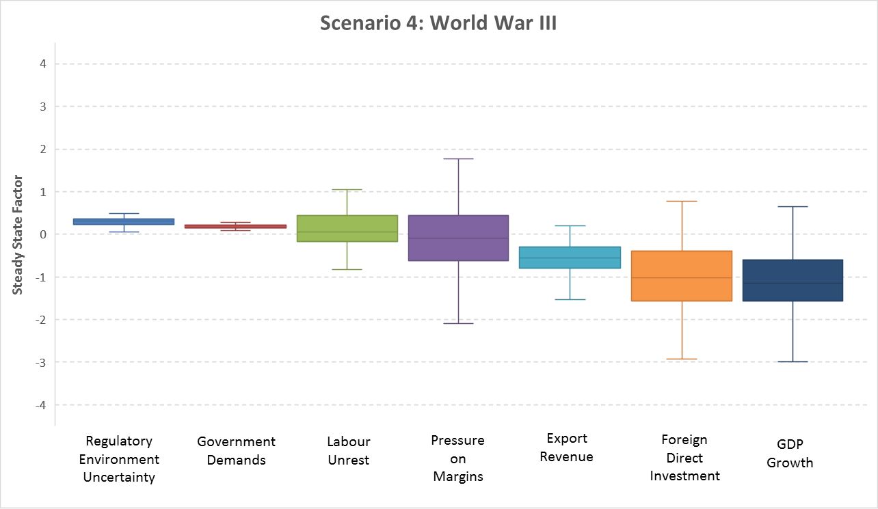
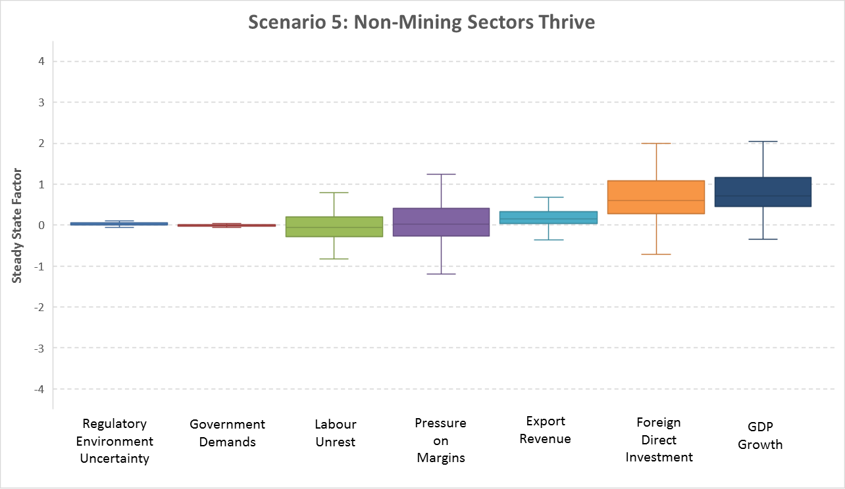
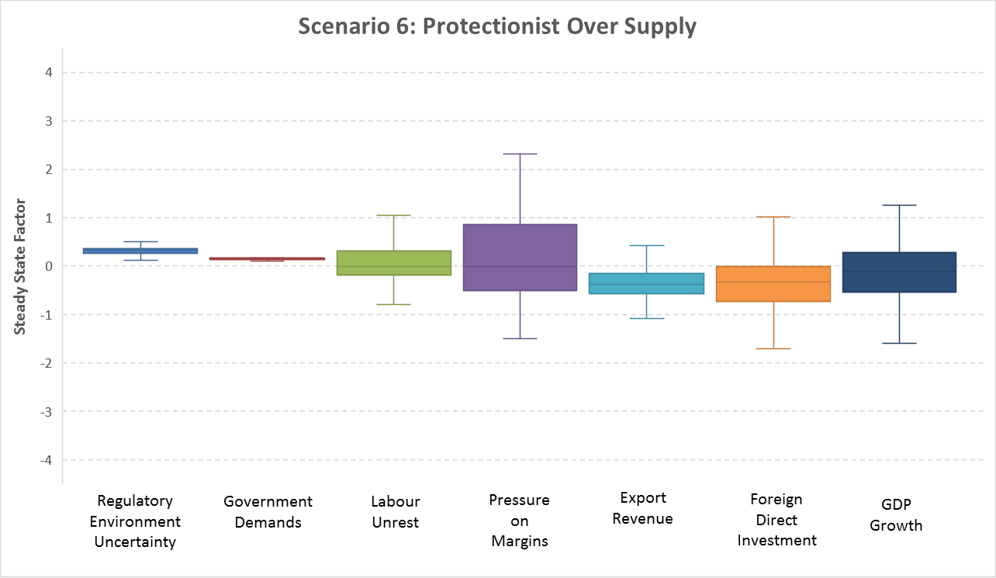
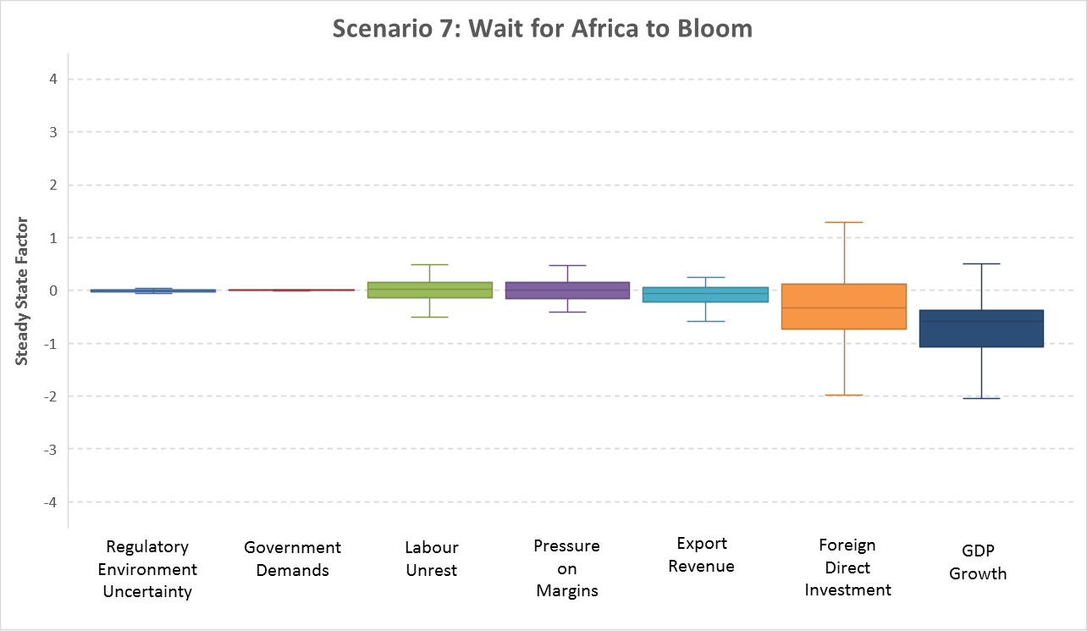
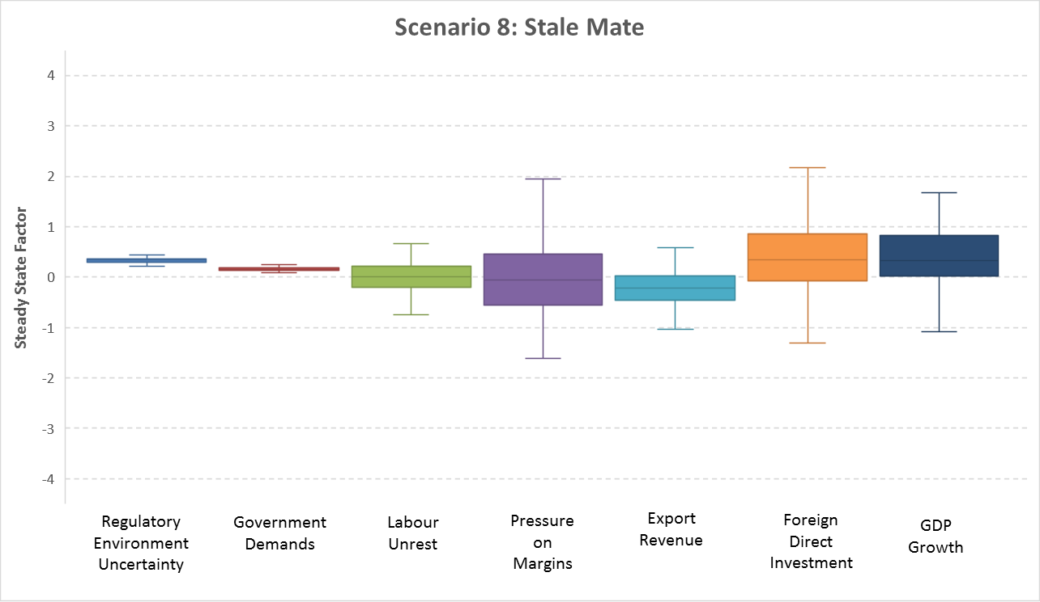
 |  | Resource Nationalism | Market Commodity Prices | Industrialisation and Urbanisation | Global Economic Recovery | Africa Attractiveness
State Vectors | 1 | 1 | 1 | 1 | 1 | 1
 | 0 | 0 | 0 | 0 | 0 | 0
 | -1 |  | -1 | -1 | -1

Scenarios | Scenario 1 | 1 | -1 | -1 | -1 | 0 | Expected Worst Case
 | Scenario 2 | 0 | 1 | 1 | 1 | 1 | Expected Best Case
 | Scenario 3 | 1 | 1 | 0 | 0 | 1 | Protectionist Commodity Rush into Africa
 | Scenario 4 | 1 | 1 | -1 | -1 | 1 | World War III
 | Scenario 5 | 0 | -1 | 1 | 1 | 0 | Non-Mining Sectors Thrive
 | Scenario 6 | 1 | -1 | 0 | 1 | 0 | Protectionist Over Supply
 | Scenario 7 | 0 | 0 | -1 | -1 | 1 | Wait for Africa to Bloom
 | Scenario 8 | 1 | 1 | 1 | 1 | 1 | Stale Mate

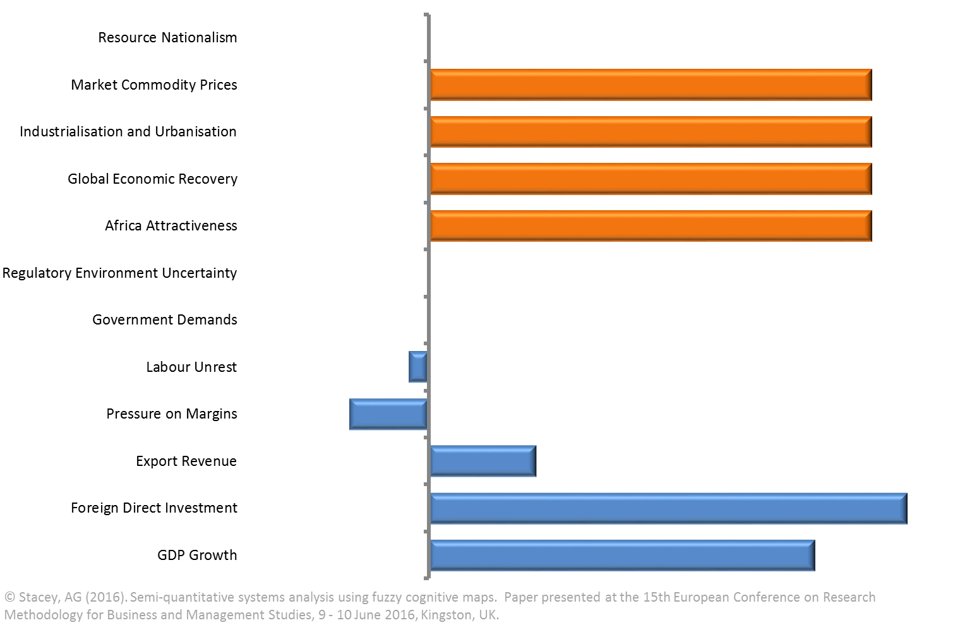
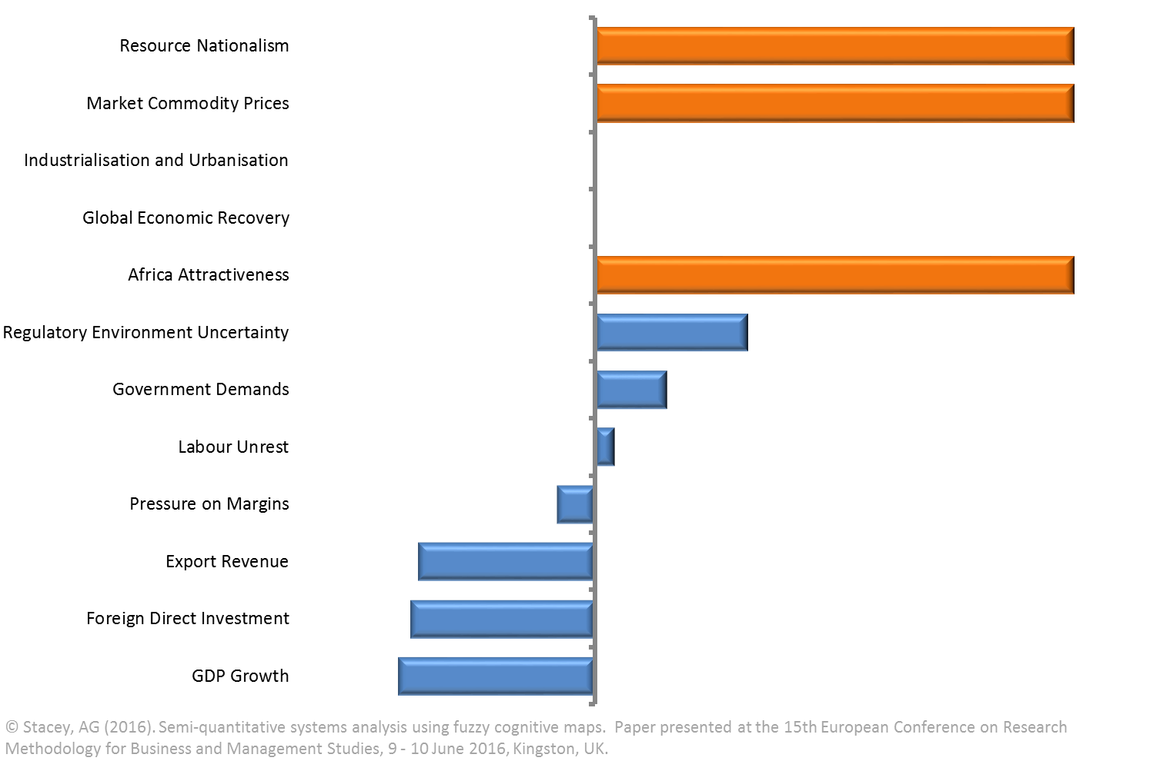
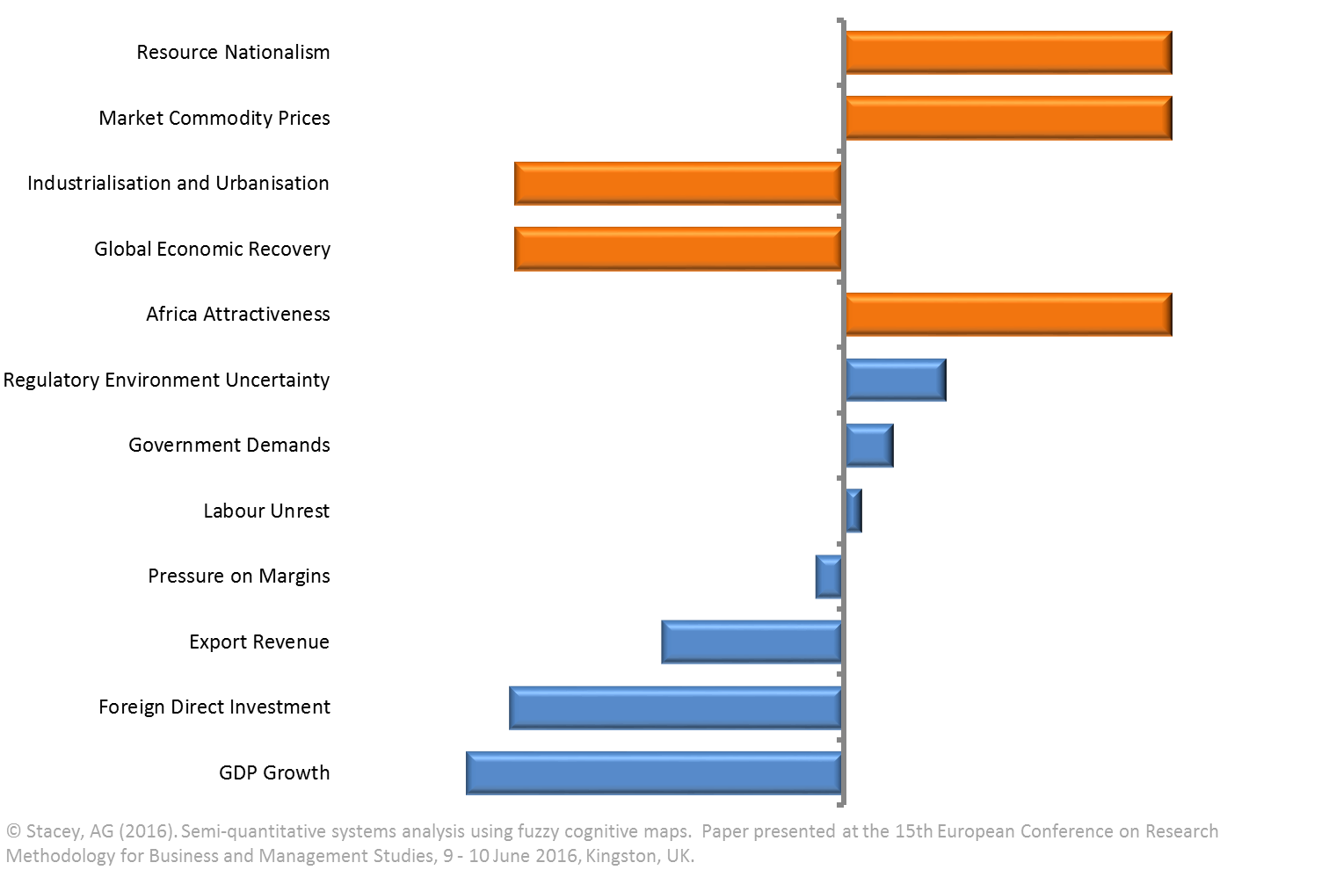
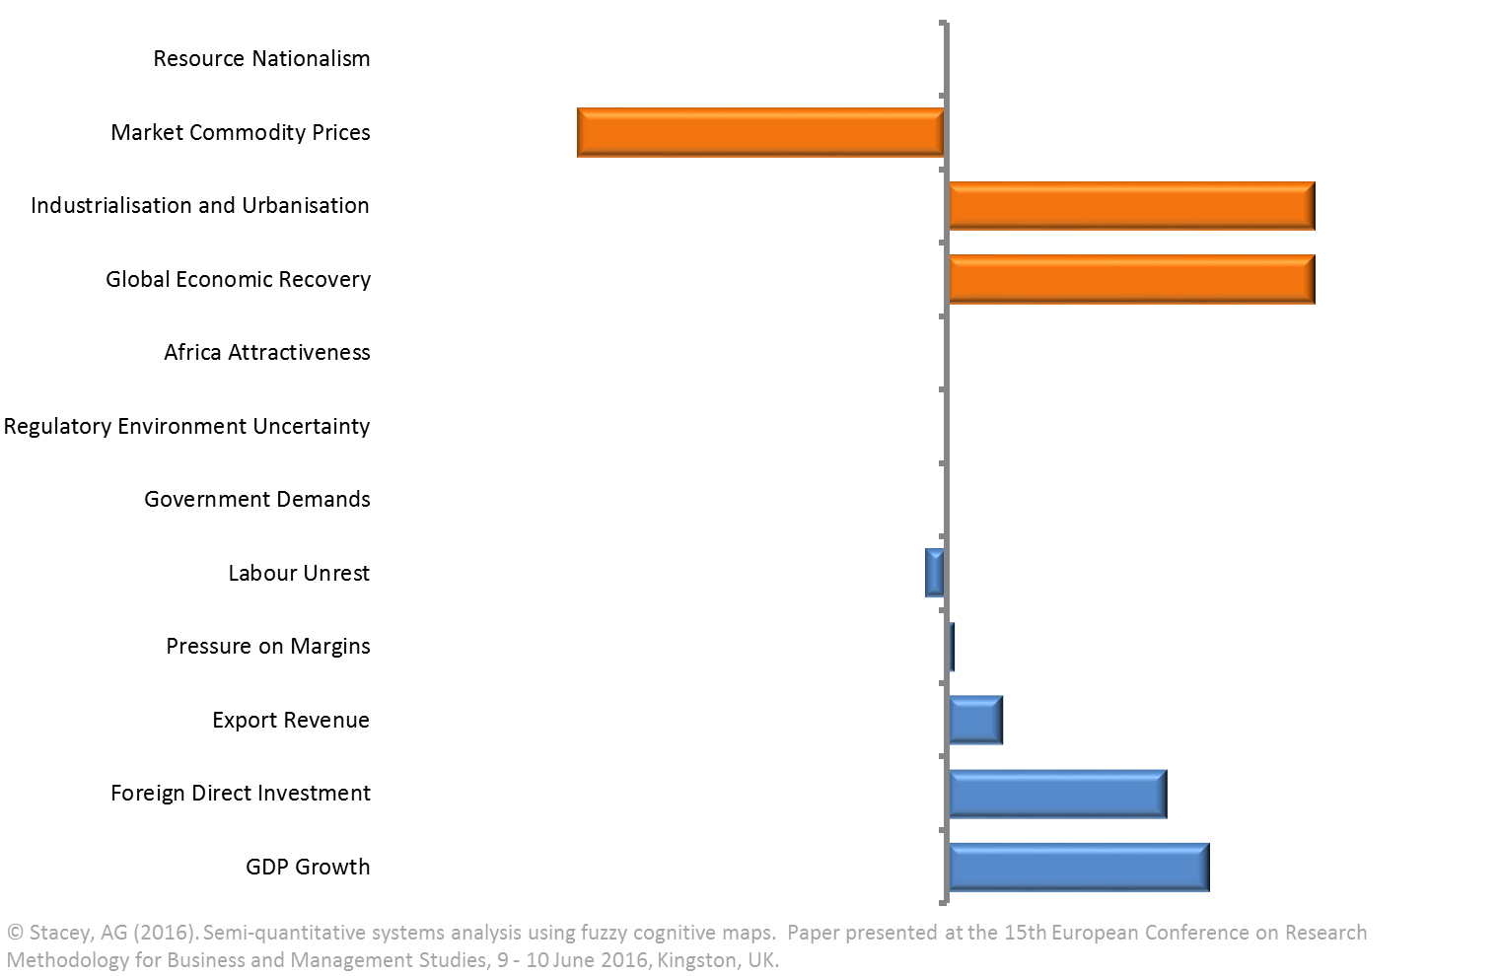
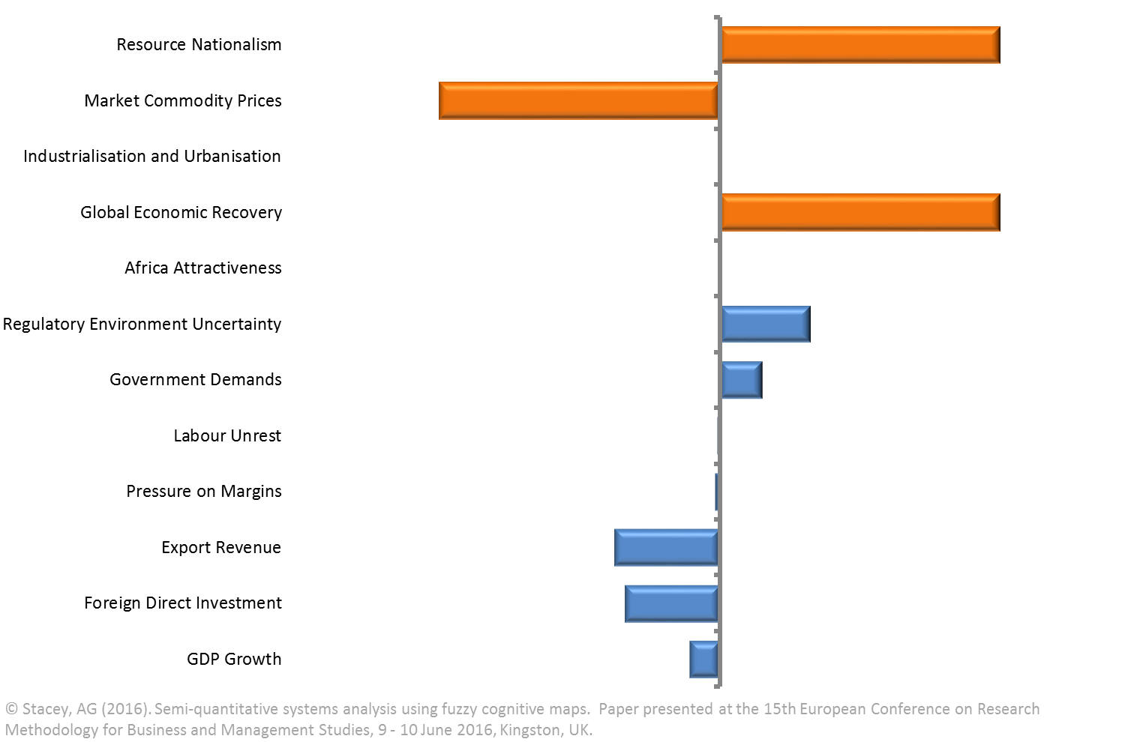
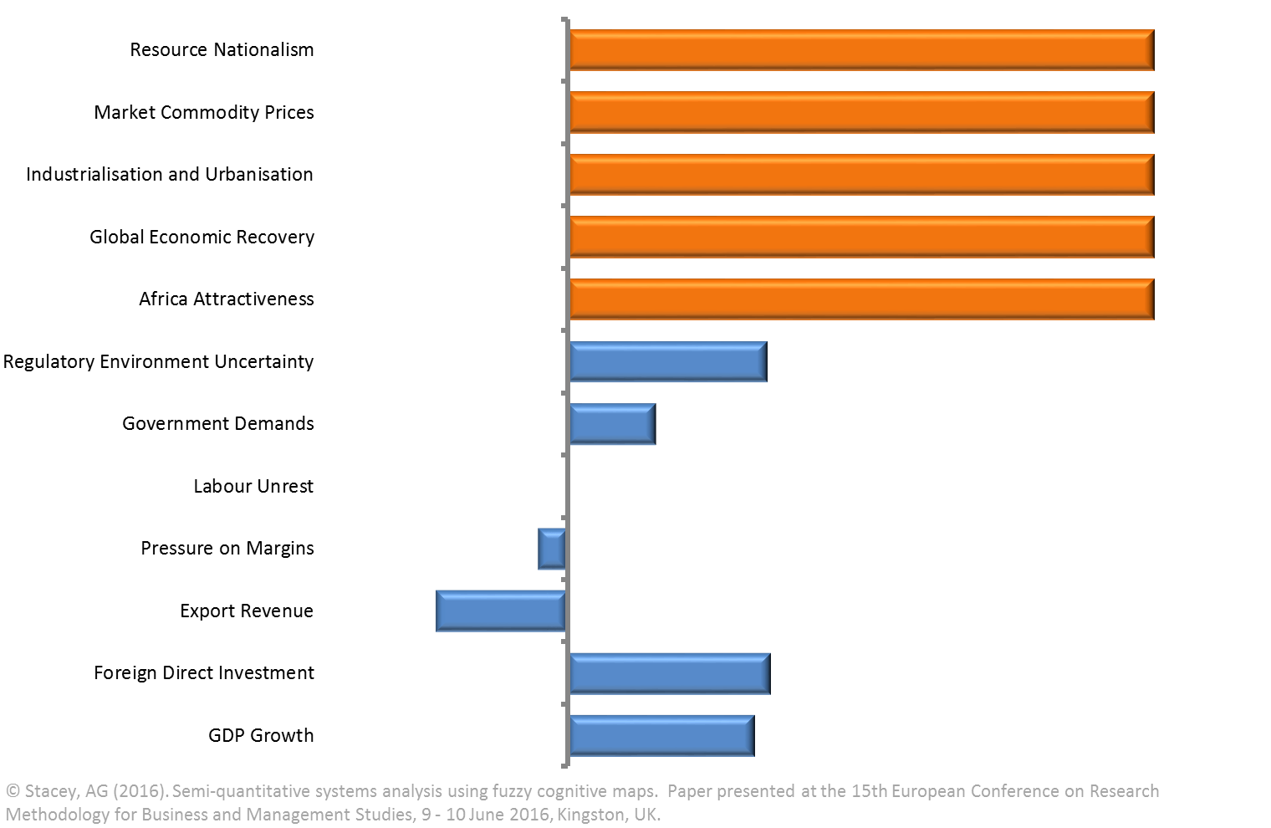
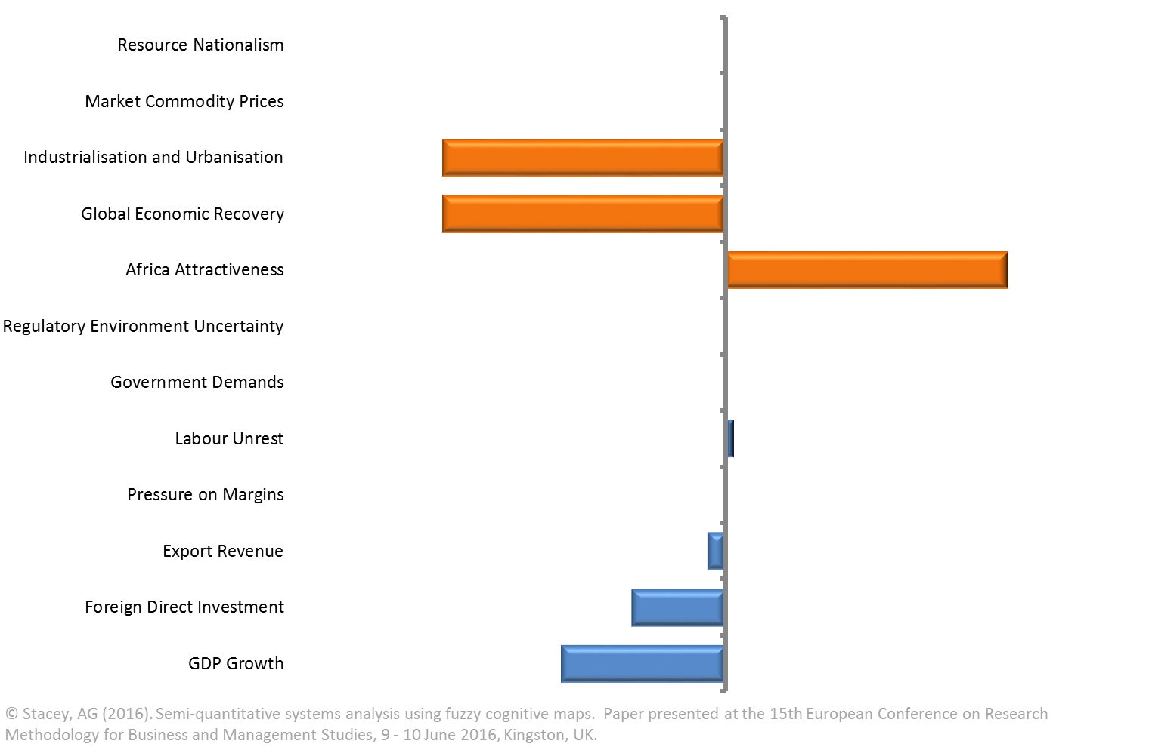
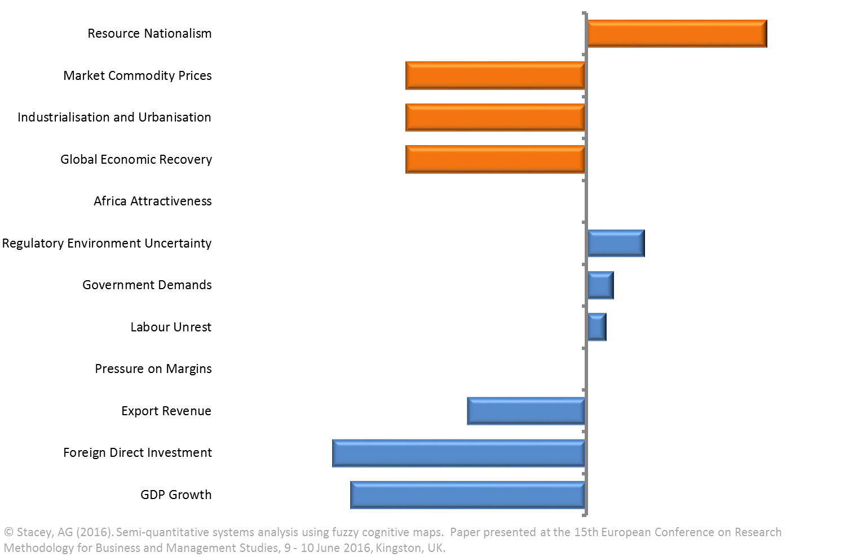
 | Count
 | 1 | 5 | 4 | 3 | 4 | 5
 | 0 | 3 | 1 | 2 | 1 | 3
 | -1 |  | 3 | 3 | 3

